Sheet1
Date | What was done | Problems | Fix
2022-07-27 | Original Program to display text
2022-07-27 | Login Screen with locally stored data | Text not displaying in the right places | Added missing imports to top of .py
2022-08-01 | .kv design file added to separate out gui design and code to act on it | .kv design file not being read properly | Add builder.kv line in order to fix
2022-08-15 | Login Screen remade with access to text input and lists of usernames and passwords
2022-08-18 | Restyled .kv file to accommodate for multiple screens by using screenmanager | Screenmanager would continuosly error | Added a windowmanager class to organize screens and allow screenmanager to access each one
2022-09-06 | Added screens with correct data in order to delete and add new questions. | Continuos errors due to missing classes | Added classes to each screen although they are not used yet
2022-09-15 | Added a back button | At start you could use back button to skip login and previous screen would not be stored | On each change of screen have the previous one save to a list which could be read for previous screen
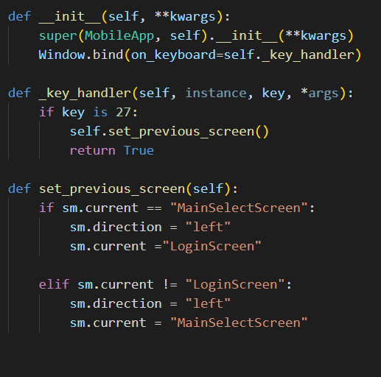
2022-09-20 | Started to install mysql and design a database for all my data | Not having used mysql before it has a big learning curve so took a while to get to grips with. | Time spent
2022-09-27 | Using the created database I added a connector to it in my program and allowed reading of all stored usernames to authenticate | Using my sql connector the querys have to be character perfect | Missing a space in query
2022-09-28 | First test run on phone | To build an android program you have to use linux so had to set up a virtual machine | Never properly used linux before
2022-09-28 | On phone app crashes due to not being able to access database | Had to edit firewall to allow phone to access database hosted on pc
2022-10-03 | Started working on userScore and changed database access to hosted on RaspberryPi | On changing of database host could not access and read database | Edit binding address firewall and privileges for user
2022-10-12 | Dropdown for deleting questions, SQL queries complete
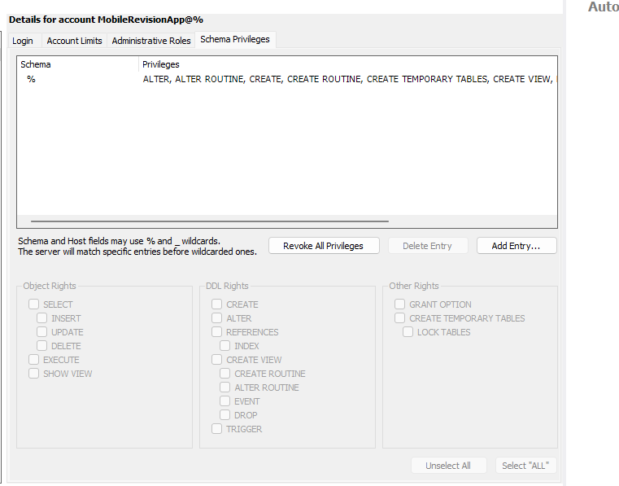
2022-10-12 | Dropdown for deleting questions working | Unable to delete query from database

